Project1
Tests |  |  | Output | Faults |  |  |  |  |  |  |  |  |  |  |  |  |  |  |  | Fault classes |  |  |  |  |  | Chosen Tests | Covered Faults
a | b | c | z | a0 | a1 | b0 | b1 | c0 | c1 | d0 | d1 | e0 | e1 | f0 | f1 | g0 | g1 | z0 | z1 | F1 | F2 | F3 | F4 | F5 | F6
0 | 0 | 0 | 1 | 1 | 1 | 1 | 0 | 1 | 0 | 0 | 1 | 0 | 1 | 0 | 1 | 0 | 1 | 0 | 1 |  | X |  |  | X |  | X (000) | F2,F5
0 | 0 | 1 | 0 | 0 | 0 | 0 | 0 | 1 | 0 | 0 | 1 | 0 | 0 | 0 | 0 | 0 | 0 | 0 | 1 |  |  | X | X
0 | 1 | 0 | 0 | 0 | 0 | 1 | 0 | 0 | 0 | 0 | 1 | 0 | 0 | 0 | 0 | 0 | 0 | 0 | 1 | X |  |  | X |  |  | X (010) | F1,F4
0 | 1 | 1 | 0 | 0 | 0 | 0 | 0 | 0 | 0 | 0 | 1 | 0 | 0 | 0 | 0 | 0 | 0 | 0 | 1 |  |  |  | X
1 | 0 | 0 | 1 | 1 | 1 | 1 | 0 | 1 | 0 | 0 | 1 | 1 | 1 | 0 | 1 | 0 | 1 | 0 | 1 |  | X
1 | 0 | 1 | 0 | 0 | 0 | 0 | 0 | 1 | 0 | 0 | 1 | 0 | 0 | 0 | 1 | 0 | 0 | 0 | 1 |  |  | X | X |  | X | X (101) | F3,F4,F6
1 | 1 | 0 | 0 | 0 | 0 | 1 | 0 | 0 | 0 | 0 | 1 | 0 | 0 | 0 | 1 | 0 | 0 | 0 | 1 | X |  |  | X |  | X
1 | 1 | 1 | 0 | 0 | 0 | 0 | 0 | 0 | 0 | 0 | 1 | 0 | 0 | 0 | 1 | 0 | 0 | 0 | 1 |  |  |  | X |  | X

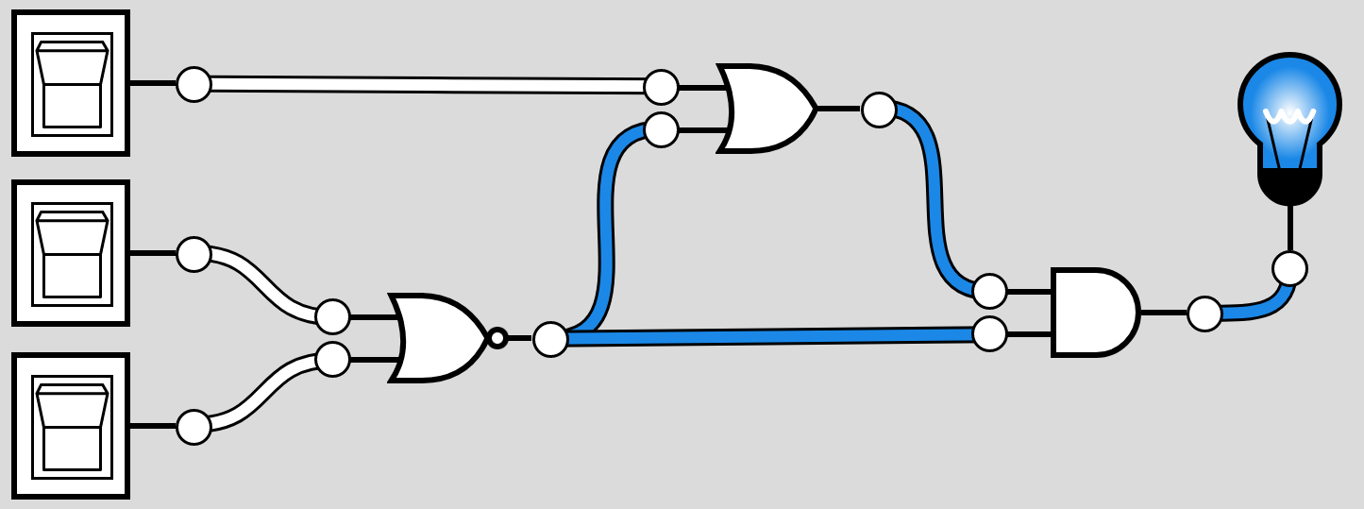
a
e
F1 = {b0}
F2 = {b1,c1,d0,f0,g0,z0}
F3 = {c0}
b
F4 = {d1,z1}
g
F5 = {e0}
d
F6 = {f1}
c
f
z

